Sheet1
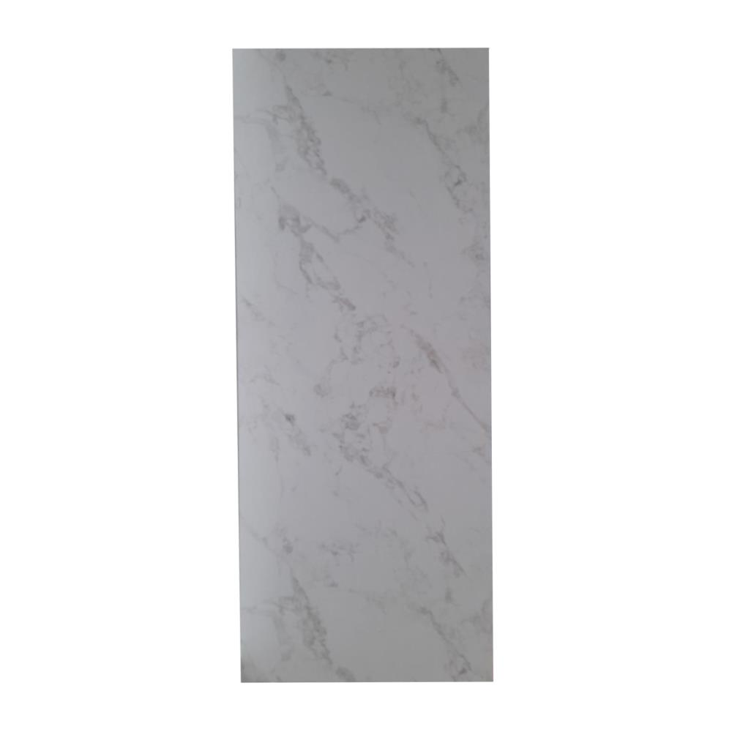
Picture | Item code | Description | Extra information | Restriction | Stock | Sales price EXW | Retail price | Barcode | Quantity PU | Quantity pallet | Pallet | Origin | Customs code | Item weight | Languages on package | Group
 | S-09704 | Kitchen countertop 170cm marbled cream (28mm) |  |  | 150 | 8.9 |  | no ean | 1 | 30 |  | F | 6802999090 | 19 |  | Kitchen countertop 170cm marbled cream (28mm)

